Sheet1
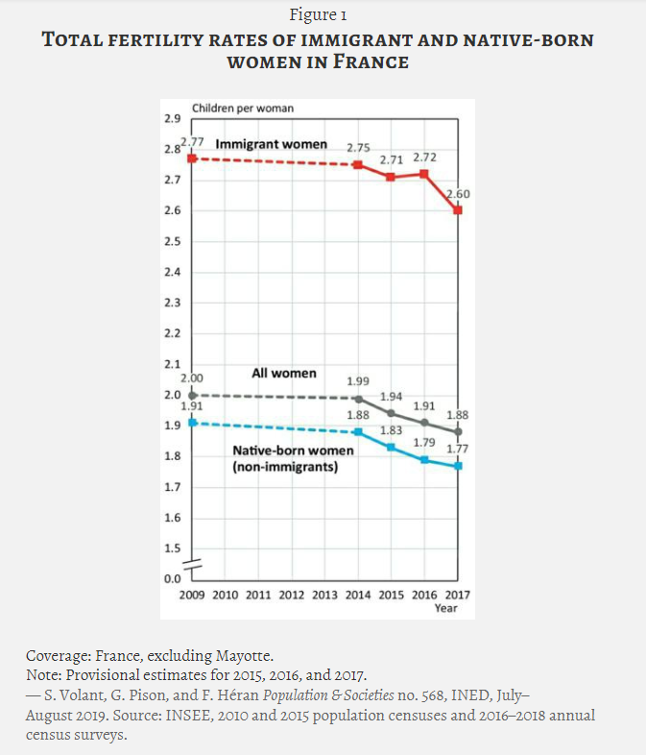
Year | TFR | TFR French born | TFR foreign born | % born to foreign parent | https://www.cairn-int.info/article-E_POPSOC_568_0001--french-fertility-is-the-highest-in.htm#:~:text=The%20total%20fertility%20rate%20of%20immigrant%20women%20is%20higher%20than,children%20per%20woman%20in%202017
2014 | 1.99 | 1.88 | 2.75 | 17.8
2015 | 1.94 | 1.83 | 2.71 | 18
2016 | 1.91 | 1.79 | 2.72 | 18.8
2017 | 1.88 | 1.77 | 2.6 | 18.8

